1. Title Page
Data Analysis

Project Name: Instacart Data Analysis
Date: June 9th, 2025
Analyst Name: Suhas Sompalli

Contents:
Population
Consistency
Wrangling
Column Derivations
Visualizations
Recommendations

2. Population
 |  |  | Title page

Population flow

Exclusion flag
Condition: max_order < 5
Obervations remoevd: 1440295
Final total count of order_products_all: 30964564

Orders_products_combined
Orders_products_merged
Orders_products_all

Total:
Total:
Total:
32434489 | 32404859 | 32404859

1.) The grey boxes in the first row of the population flow represent the original data sets as they were when you downloaded them. In the Total fields you need to add the count of the rows when you imported the data set into Jupyter.
2.) The second row of boxes (coloured) represents the data sets after you manipulated them, e.g., removed missing values and duplicates. In the Total fields you need to add the count of the rows after conducting these operations. This offers a visual oveview of how the data flows throughout the data consistency checks.
3.) The third row, where also the arrows are coloured, represents the merges you performed between the datasets. In the Total fields you need to add the count of the rows in the merged datasets, so that you end up with the final dataset (in the red box). Keep in mind the final dataset should be without exclusions (based on the exclusion flag).

3. Consistency
 |  |  |  | Title page
Consistency checks

Dataset | Missing values | Missing values treatment | Duplicates
orders | days_since_prior_order column : 206209 | First order is not relevant here, removed | zero duplicates
products | Product name have 16 missing values. | Removed from the dataframe. | 5 duplicates
customers | 11259 First name values are missing | None needed since we're not looking at individuals | zero duplicates

4. Wrangling
 |  |  |  | Title page
Wrangling steps

Columns dropped | Columns renamed | Columns' type changed | Comment/Reason
eval_set |  |  | Not required
_merge |  |  | Unnecessary information
 | order_dow to orders_day_of_week |  | For consistency
 | Surname: Last Name |  | For consistency
 | STATE : State |  | For consistency
 | date_joined : Date Joined |  | For consistency
 | fam_status : Family Status |  | For consistency
 | income : Income |  | For consistency

 |  | order_id | Converted to string
 |  | order number | Converted to string

5. Column Derivations
 |  |  |  | Title page

Column derivations and aggregations

In this tab you should add tables below that the frequences of flags/label variables that you produced after deriving them. NB: don't do this for continuous variables, only for flags.
Dataset | New column | Column/s it was derived from | Conditions
orders | first_order | days_since_prior_order | None
ords_prods_merge | price_range | prices | If prices <= 5 then 'Low-Range product' If prices >5 & <= 15 then 'Mid-Range product' If prices > 15 then 'High-Range product' else 'Not enough data'
ords_prods_merge | busiest_days | orders_day_of_week | If value == 0 or value == 1 then 'Busiest days' If value == 3 or value == 4 then 'Least busy' else 'Regularly busy'
ords_prods_merge | busiest_period_of_day | order_hour_of_day | if value == 10 or value == 11 or value == 14 or value == 15 or value == 13 or value == 12 or value == 16 or value == 9: then ("Most orders") if value == 17 or value == 8 or value == 18 or value == 19 or value == 20 or value == 7 or value == 21 or value == 22: then ("Average orders") else: ("Fewest orders")
ords_prods_merge | loyalty_flag | max_order | ['max_order'] > 40, 'loyalty_flag'] = 'Loyal customer' ['max_order'] <= 40) & ['max_order'] > 10), 'loyalty_flag'] = 'Regular customer' ['max_order'] <= 10, 'loyalty_flag'] = 'New customer'
ords_prods_merge | spender_flag | average_spend | ['average_spend']<10,'spender_flag']='Low_spender' ['average_spend']>= 10, 'spender_flag'] = 'High_spender'
ords_prods_merge | Customer_frequency | days_since_prior_order | ['Customer_frequency'] > 20, 'frequency_flag'] = 'Non_frequent_customer' ['Customer_frequency']>10) & (ords_prods_merge['Customer_frequency']<=20),'frequency_flag'] = 'Regular customer' ['Customer_frequency'] <= 10, 'frequency_flag'] = 'Frequent Customer'
ords_prods_cust_merge | Region | State | All the States in the country categorized by reigon.
ords_prods_cust_merge | Customer_Activity | max_order | ['max_order'] < 5, 'Customer_Activity'] = 'LOW' ['max_order'] >= 5, 'Customer_Activity'] = 'HIGH'
Updated_df | Age Group | Age | ['Age'] <= 25, 'Age Group'] = 'Youth' (['Age'] > 25) & (['Age'] <= 64), 'Age Group'] = 'Adults' ['Age'] > 64, 'Age Group'] = 'Senior'
Updated_df | Income Group | Income | ['Income'] <= 50000, 'Income Group'] = 'LOW' ['Income'] > 50000) & ['Income'] <= 150000), 'Income Group'] = 'MIDDLE' ['Income'] > 150000, 'Income Group'] = 'HIGH'
Updated_df | Number of Dependents | dependents_flag | ['Number of Dependents'] == 0, 'dependents_flag'] = 'No Dependents' ['Number of Dependents'] >= 1, 'dependents_flag'] = 'Has Dependents'

6. Visualizations
 |  |  |  |  | Title page

Visualisations

In this tab you should include all the visualtions from Exercises 4.9 and 4.10, alongside the questions from the project brief that they answer. Include any commentary on the relationship between different variables.

Objectives: | For Sales and Marketing Teams

Question: | What the busiest days of the week and hours of the day are (i.e., the days and times with the most orders) in order to schedule ads at times when there are fewer orders?

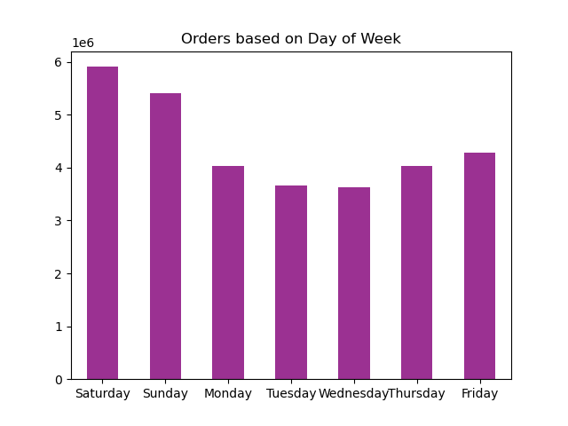

 |  | Answer: | The Weekends are the busiest time of the week. Also, the maximum number of orders were received in the business hours especially between 9 am and 11 am.



Question: | Are there particular times of the day when people spend the most money, as this might inform the type of products they advertise at these times. The highest frequency of product orders will be determined here?

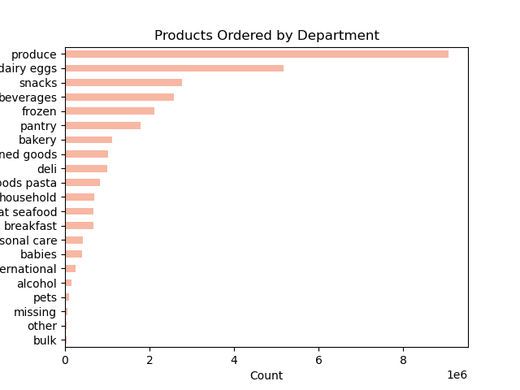

 |  |  | Answer: | The top-selling products are produce, dairy, eggs, and snacks, with peak spending during morning rush hour.

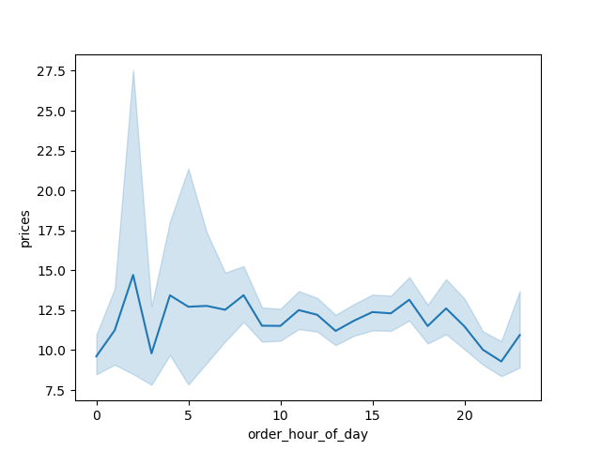

Question: | What’s the distribution among users in regards to their brand loyalty (i.e., how often do they return to Instacart)?

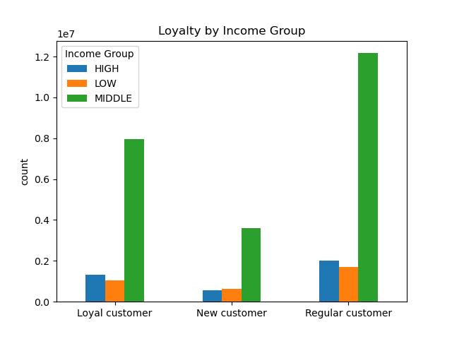
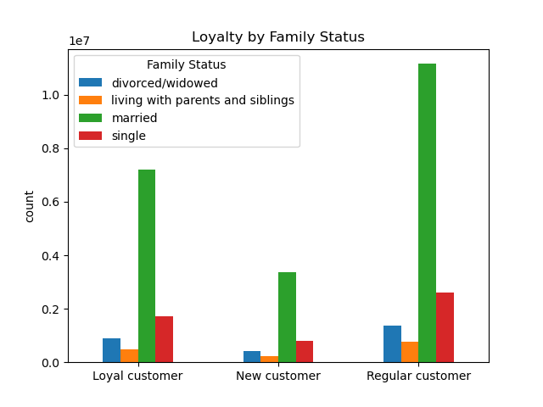

Answer: | The returning customers tend to be from the middle-income and married groups.

Question: | Are there differences in ordering habits based on a customer’s loyalty status?

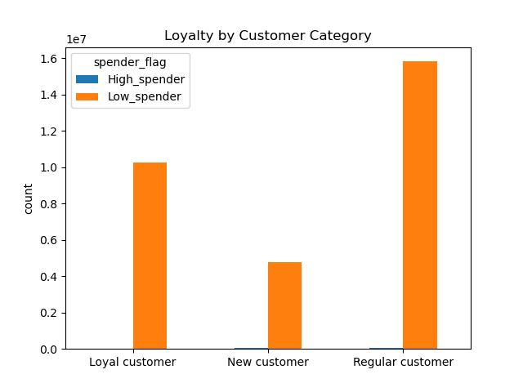

 |  |  | Answers: | The low_spender category placed the most orders, while high_spenders made very few orders

Question: | Are there differences in ordering habits based on a customer’s region?

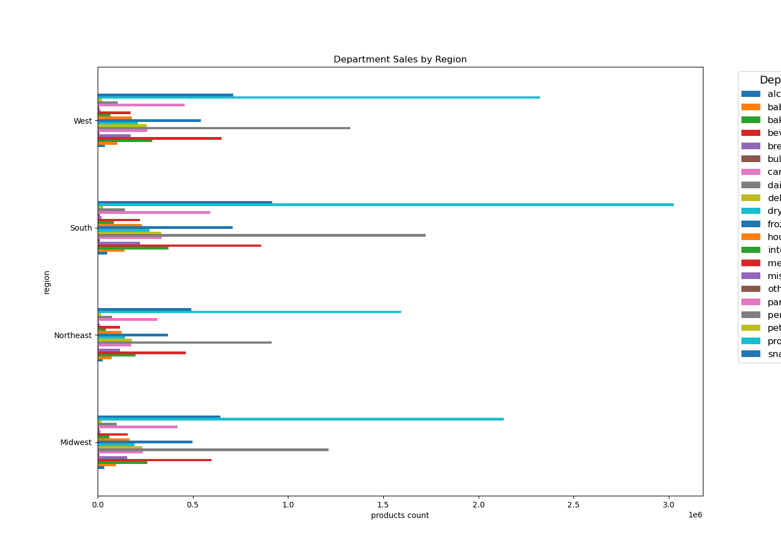

Answer: | The comparison shows that the Western and Southern regions have the highest sales across product categories.

Question: | Is there a connection between age and family status in terms of ordering habits?
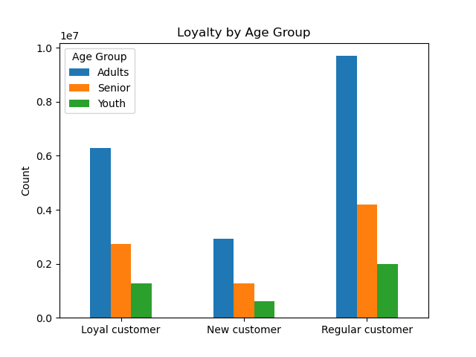

Answer: | Most orders were placed by adults, and the Loyalty by Family Status chart confirms that the majority are married.

Question: | What different classifications does the demographic information suggest? Age? Income? Certain types of goods? Family status?

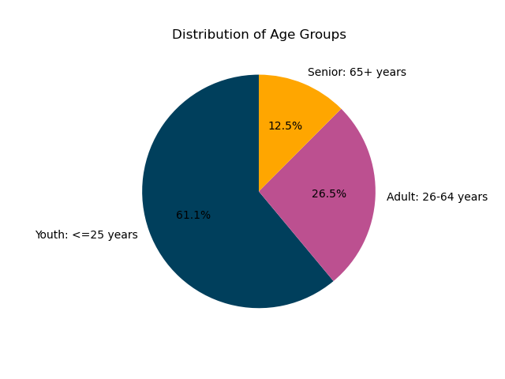
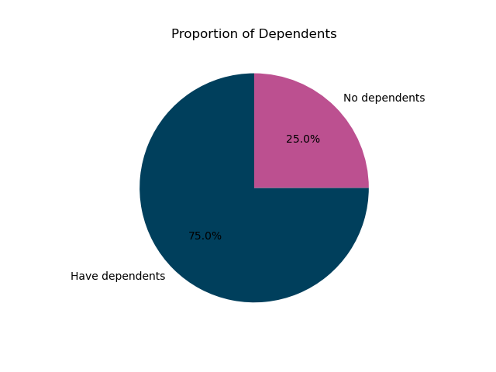

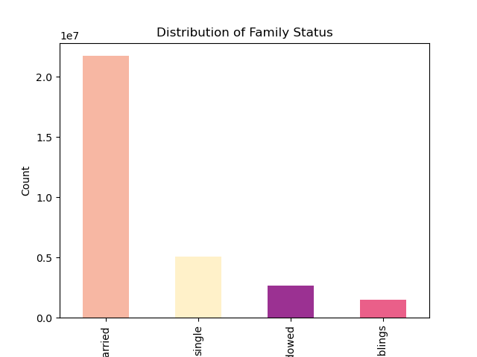
 |  | Answer: | The analysis showed that most orders came from the married group, with 75% having dependents. This aligns with the age distribution, where 61% of customers are youth—likely reflecting scenarios where parents shop with or rely on their children for groceries.

7. Recommendations
 |  | Title page

Recommendations

In this tab you should include any recommendations you would made to Instcart in terms of their marketing strategy based on the questions posed in the brief. Every key question has been covered in the Tasks of the Exercises - here you need to add an item - a visualisation or table/crosstable that is showing the answer in the data, acompanied by a comment from you. Please, list the questions below and add the answer underneath.

Question | What the busiest days of the week and hours of the day are (i.e., the days and times with the most orders) in order to schedule ads at times when there are fewer orders?

Answer | Weekends are the busiest, with peak orders during business hours, especially between 9 AM and 11 AM. To boost weekday sales, introducing discounts or promotions could help attract customers and encourage membership sign-ups.

Question | Are there particular times of the day when people spend the most money, as this might inform the type of products they advertise at these times. The highest frequency of product orders will be determined here?

Answer | The top-selling products are produce, dairy, eggs, and snacks, with peak spending during morning rush hour. To boost sales further, the company could either offer promotional discounts on these items or introduce a bulk category with family-size packaging, similar to BJ’s wholesale model.

Question | What’s the distribution among users in regards to their brand loyalty (i.e., how often do they return to Instacart)?
Answer | Returning customers are mostly from middle-income, married groups. To expand reach, offering discounts on high-end products could attract higher-income customers and encourage occasional purchases from the middle-income segment.

Question | Are there differences in ordering habits based on a customer’s loyalty status?
Answer | Most orders came from the low_spender category, while high_spenders placed few. It's up to the board to decide which group to target—either encouraging more frequent purchases from low spenders or increasing engagement with high spenders, as outlined in the previous recommendations.

Question | Are there differences in ordering habits based on a customer’s region?
Answer | The Western and Southern regions lead in sales across product categories. To boost sales elsewhere, targeted regional promotions could encourage more frequent purchases and appeal to cost-conscious consumers who factor living expenses into relocation decisions.

Question | Is there a connection between age and family status in terms of ordering habits?
Answer | Most orders were placed by adults, with the Loyalty by Family Status chart confirming that most are married. This suggests families are the primary buyers, making the introduction of family-sized packaging a strong strategy to boost sales within this group.

Question | What different classifications does the demographic information suggest? Age? Income? Certain types of goods? Family status?

Answer | Demographic analysis shows that most customers are married, with 75% having dependents, and 61% classified as youth. Since parents often shop for their families, focusing on family-oriented products can better meet their needs. This strategy could encourage faster purchases, reduce wait times, and boost both sales and customer satisfaction by aligning more closely with the core customer base.

